Sheet1
2008 Toyota Rav4 Sport 2.4
BODY/TRUNK / LIFTGATE ASSEMBLY
Your Vehicle: 2008 Toyota Truck RAV4 2WD L4-2.4L (2AZ-FE)

 | Vehicle » Body and Frame » Doors, Hood and Trunk » Trunk / Liftgate » Adjustments » Back Door

 | Back Door

BACK DOOR

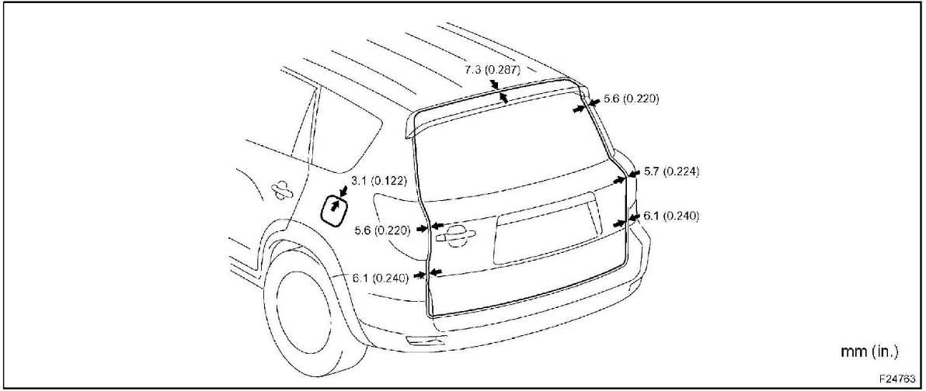

1. ADJUST BACK DOOR

HINT: Centering bolts are used to mount the door hinge to the vehicle body and door. The door cannot be adjusted with the centering bolts on. Substitute the centering bolts with standard bolts (with washers) when making adjustments.

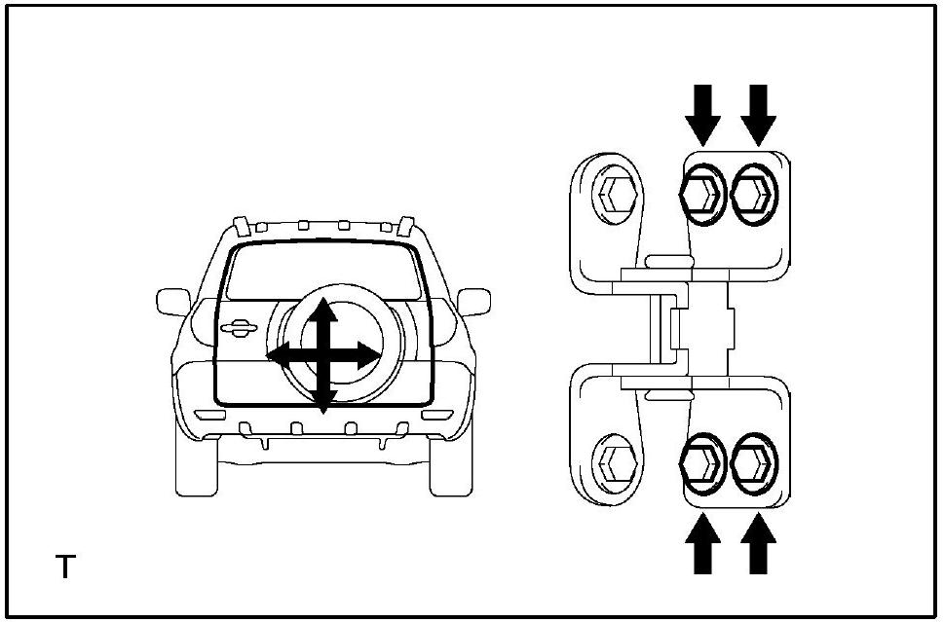

a. Loosen the body's hinge bolts and adjust the door's position.
b. Tighten the body's hinge bolts after the adjustment. Torque: 26 N.m {265 kgf.cm, 19 ft.lbf}

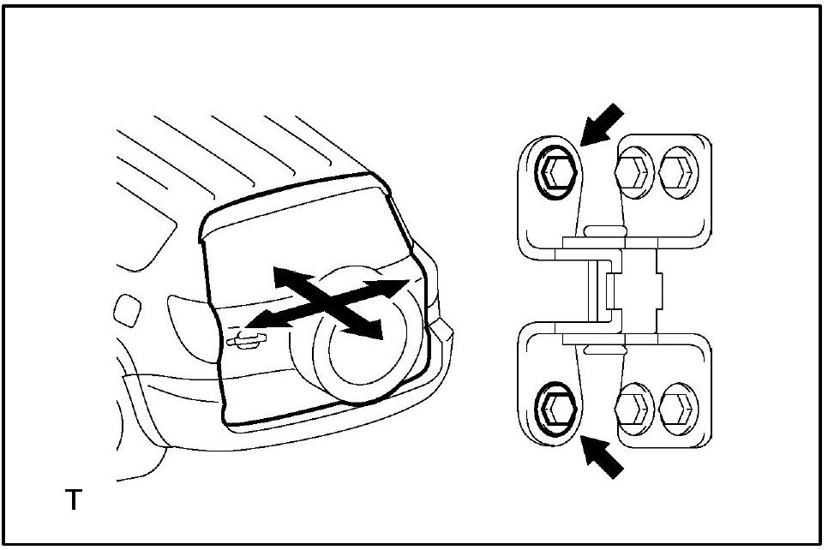

c. Loosen the door's hinge bolts and adjust the door's position.
d. Tighten the door's hinge bolts after the adjustment.

Torque: 36 N.m {367 kgf.cm, 27 ft.lbf}

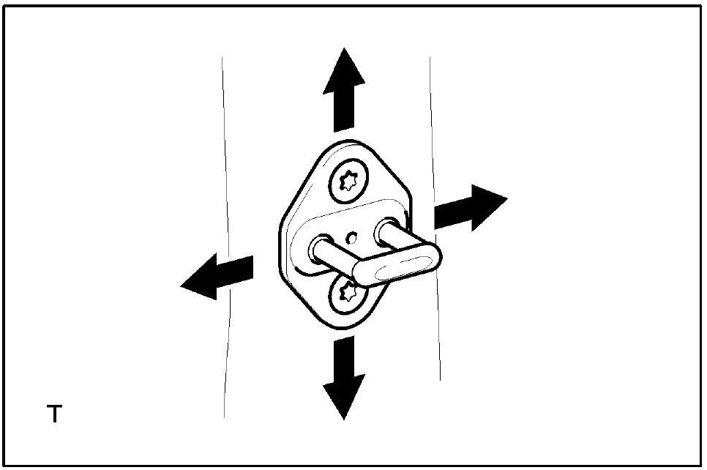

e. Using a T40 "torx" socket, adjust the striker position by slightly loosening the striker mounting screws and then hitting the striker with a plastic-faced hammer.
f. Using a T40 "torx" socket, tighten the striker mounting screws after the adjustment.

Torque: 23 N.m {235 kgf.cm, 17 ft.lbf}

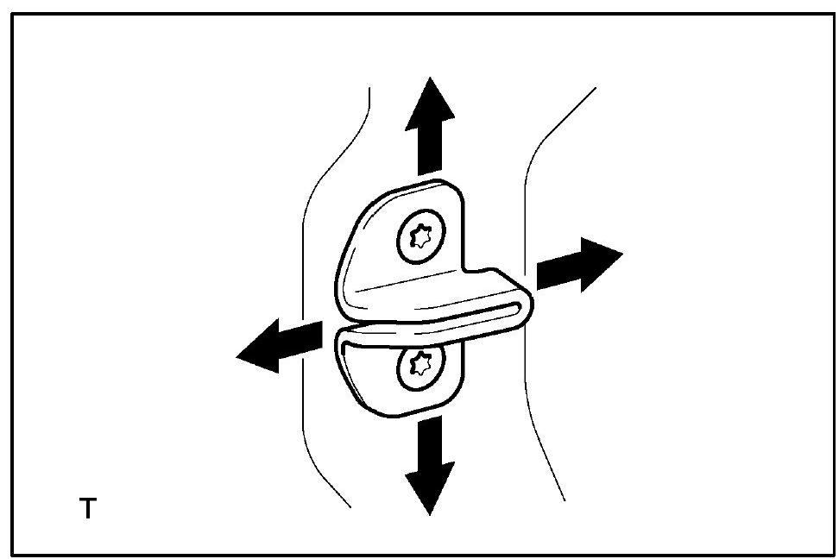

g. Using a T30 "torx" socket, adjust the side male stopper position by slightly loosening the striker mounting screws and then hitting the striker with a plastic faced hammer.
h. Using a T30 "torx" socket, tighten the side male stopper mounting screws after the adjustment.

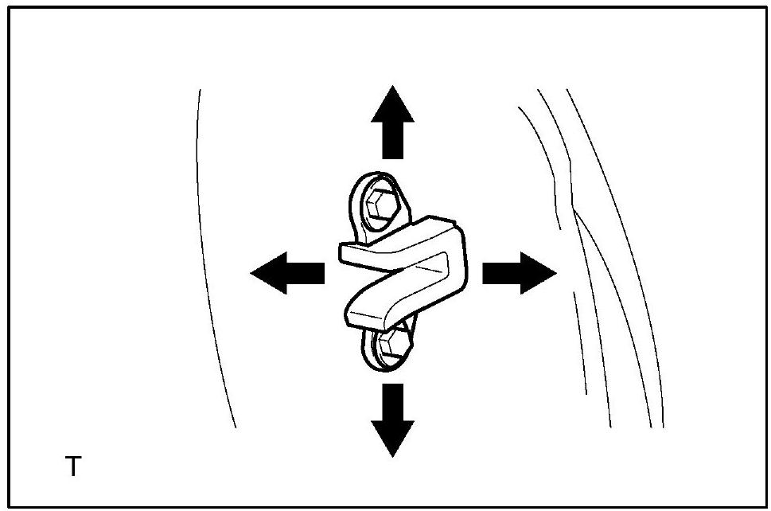

i. Loosen the side female stopper bolts and adjust the door's position.
j. Tighten the side female stopper bolts after the adjustment.

